ASSESSMENT
EXCEL INTERMEDIATE PART 2 SKILL ASSESSMENT CHART
CORRECT | 0
INCORRECT | 16
Excel Intermediate Part 2 Assessment

 | Instructions:
 | 1) Go Through each of green tabs answering the questions at the bottom of each sheet. 2) Once you are done with all 3 green tabs, look at the Recommendation below.

 | Recommendation:

 | Please take assessment

Correct = You are skilled in the area
Incorrect = You are not skilled in the area

PIVOTTABLE FUNDAMENTALS
PivotTable Fundamentals
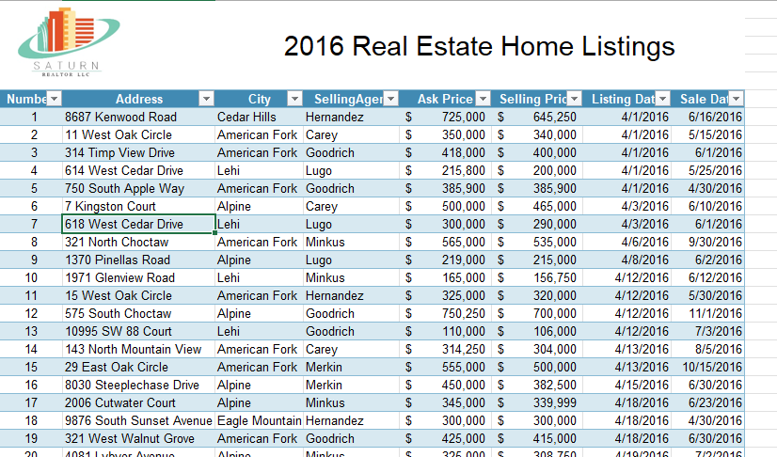
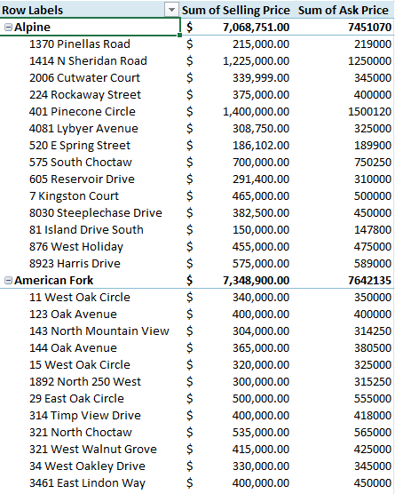

Question | Answer
Are you familiar with PivotTables? |  | 0
PivotTables allow me to easily organize and summarize data. |  | 0
Are you familiar with grouping data in PivotTables? |  | 0
Are you familiar with how to access detailed data (also known as a "drilldown") in PivotTables? |  | 0
Are you familiar with slicers and timelines? |  | 0
Are you familiar with sorting? |  | 0

PIVOTTABLE CALCS.
Function Basics Assessment
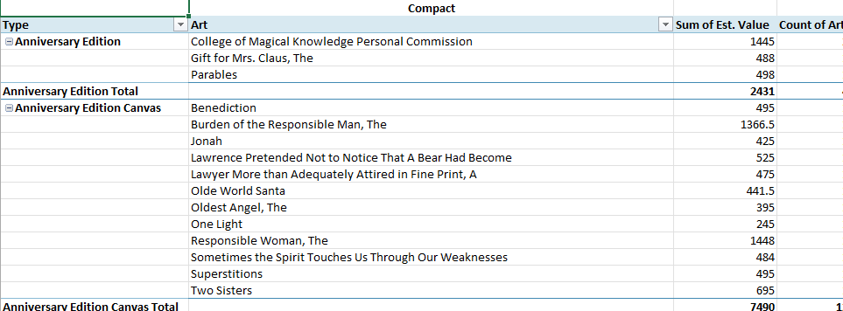
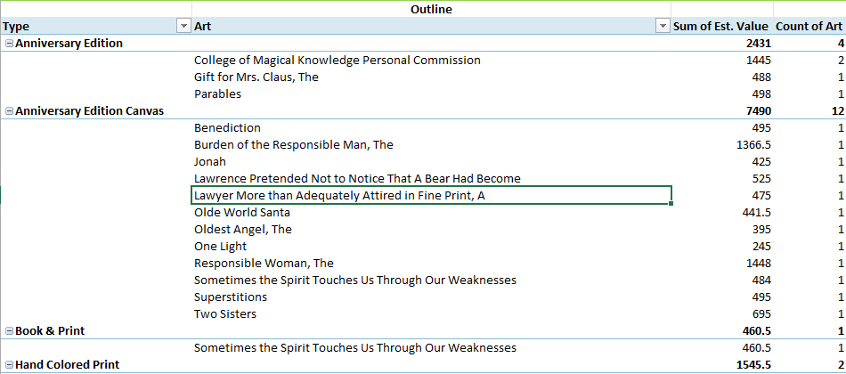

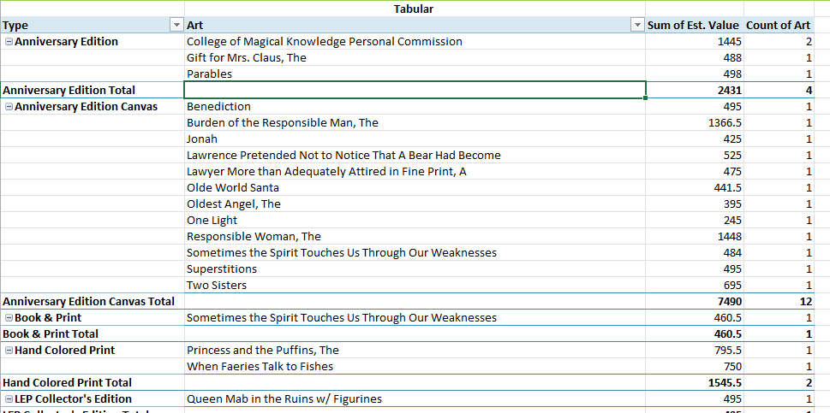
Are you skilled at the following: | Answer
Are you familiar with PivotTable layout options? |  | 0
Are you familiar with Calculated fields? |  | 0
Are you familiar with Calculated items? |  | 0
Is it possible to edit or delete your PivotTable calculations? |  | 0
I can show the same field in multiple ways in my PivotTables. |  | 0
 |  | 0

PIVOTCHARTS WITH SLICERS
Logical Functions Assessment
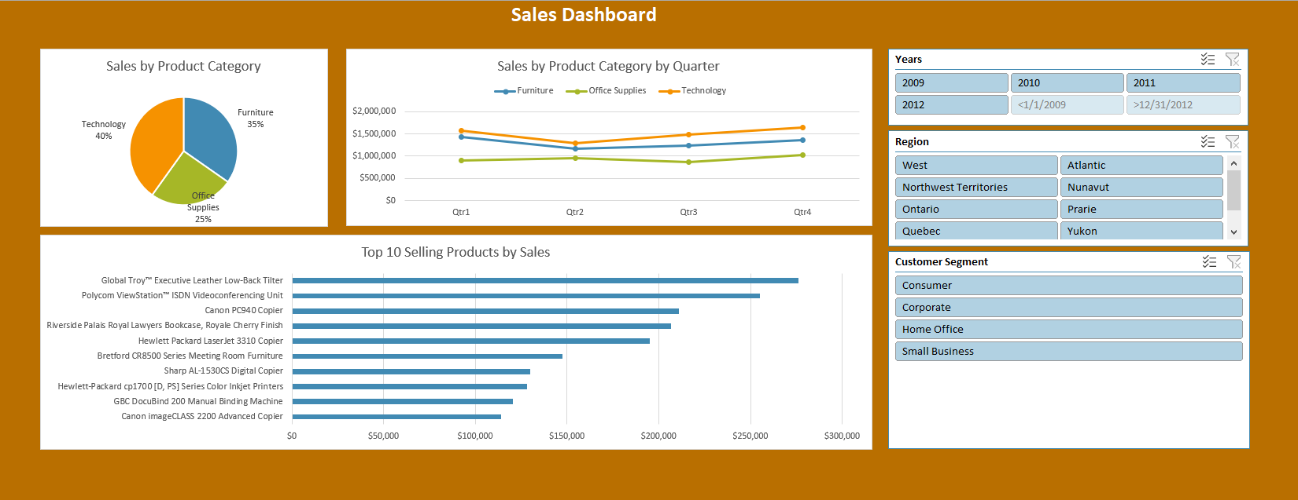

Are you skilled at the following: | Answer
PivotCharts are based on PivotTables. |  | 0
A Dashboard can be made up of Slicers and PivotCharts. |  | 0
One benefit of PivotCharts is they stay in sync with their related PivotTable. |  | 0
Are you familiar with the the difference between PivotTable Source data and PivotTable Cache data? |  | 0
Can you create a dashboard like in the picture above? |  | 0

