ASSESSMENT
EXCEL INTERMEDIATE PART 3 SKILL ASSESSMENT CHART
CORRECT | 0
INCORRECT | 26
 | Excel Intermediate Part 3 Assessment
0
 |  | Instructions:
 |  | 1) Go Through each of green tabs answering the questions at the bottom of each sheet. 2) Once you are done with all 6 green tabs, look at the Recommendation below.

 |  | Recommendation:

 |  | Please take assessment

Correct = You are skilled in the area
Incorrect = You are not skilled in the area

DATA VALIDATION
DATA VALIDATION ASSESSMENT
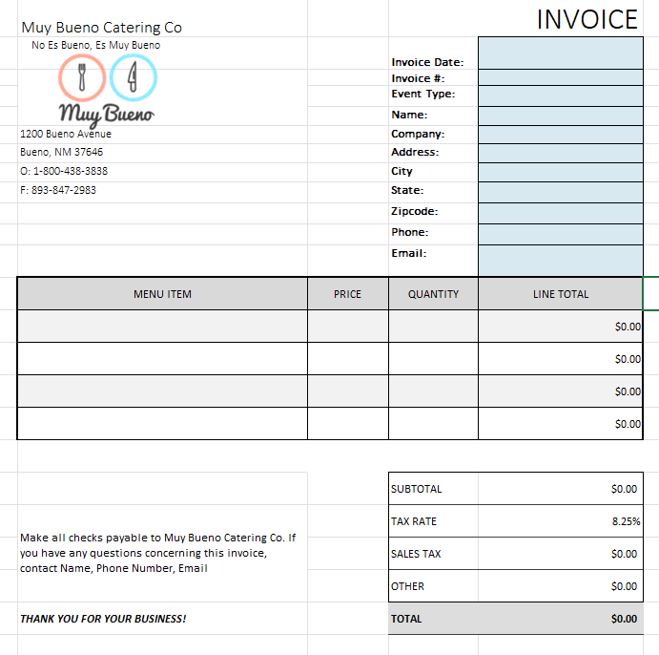
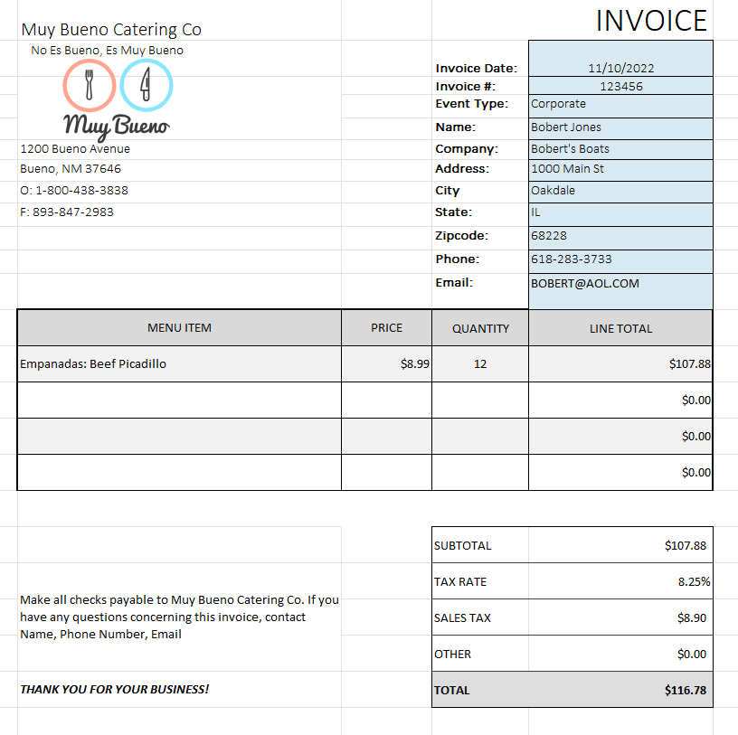

Question | Answer
One of the uses of Data Validation is to control exactly what a user can input in a cell. |  | 0
If a user inputs bad data, I can have Excel play a sound using the Data Validation feature |  | 0
Data validation only allows for a standard error message, you cannot customize the error message. |  | 0
 |  | 0

CONDITIONAL FORMATTING
CONDITIONAL FORMATTING ASSESSMENT
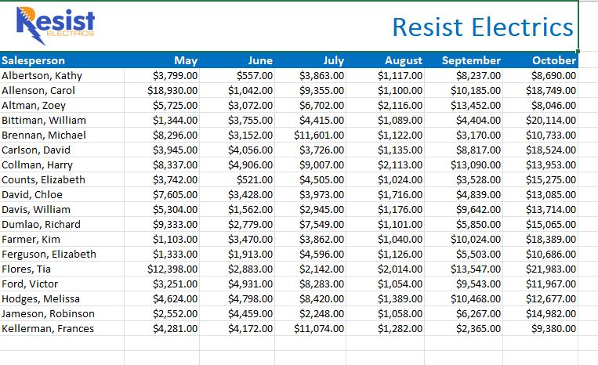
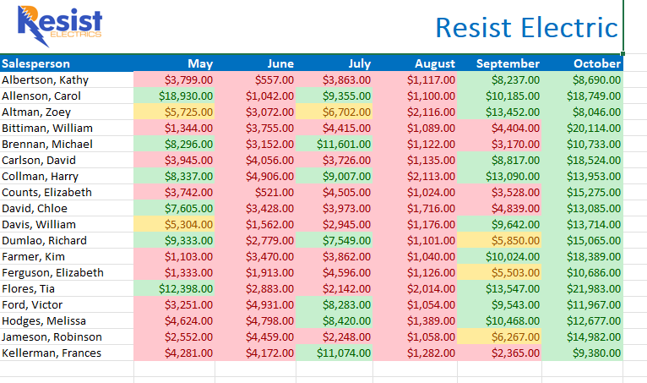

Are you skilled at the following: | Answer
Are you familiar with Conditional Formatting? |  | 0
Conditional Formatting is helpful for highlighting trends and mistakes in data. |  | 0
All conditional formats created are found and managed in Data Validation rules. |  | 0
Are you familiar with Data Bars in Conditional Formatting? |  | 0
Are you familiar with Color Scales in Conditional Formatting? |  | 0
Are you familiar with using Icon Sets in Conditional Formatting? |  | 0
Is Absolute, Relative, and Mixed Cell Referencing still valid with Conditional Formatting? |  | 0

ADVANCED CHARTS
ADVANCED CHARTS ASSESSMENT
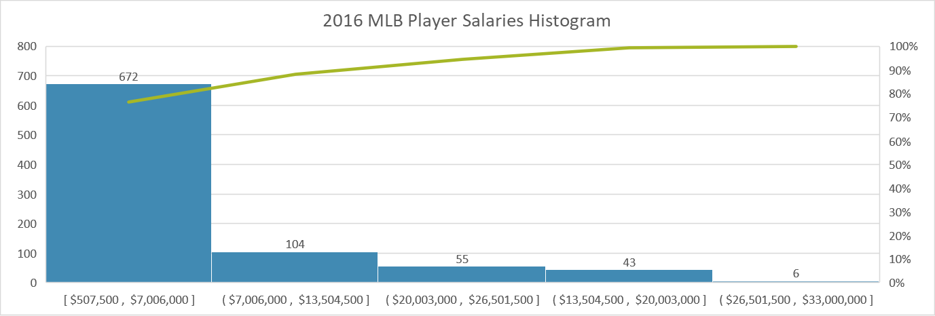
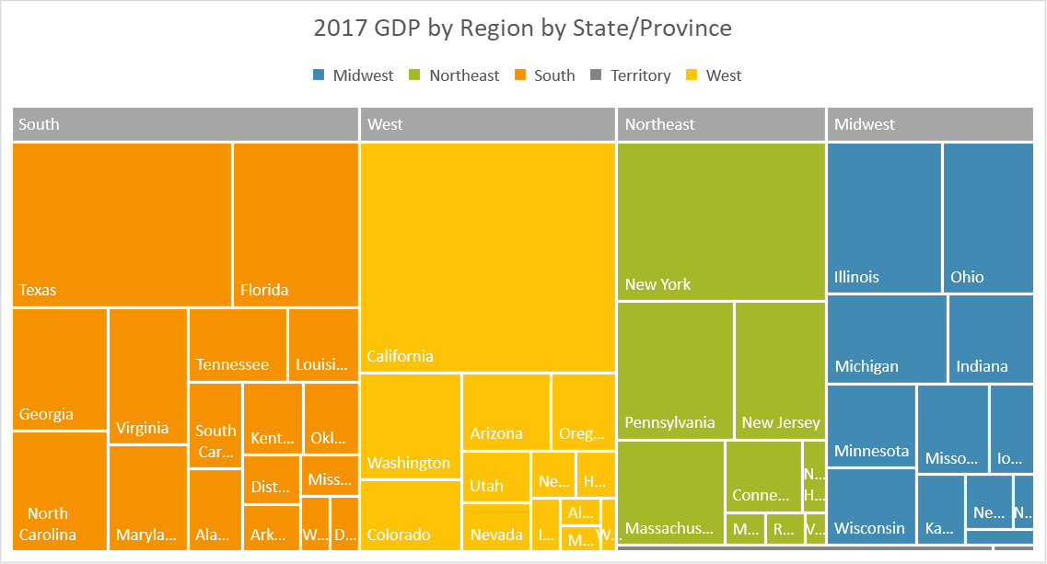

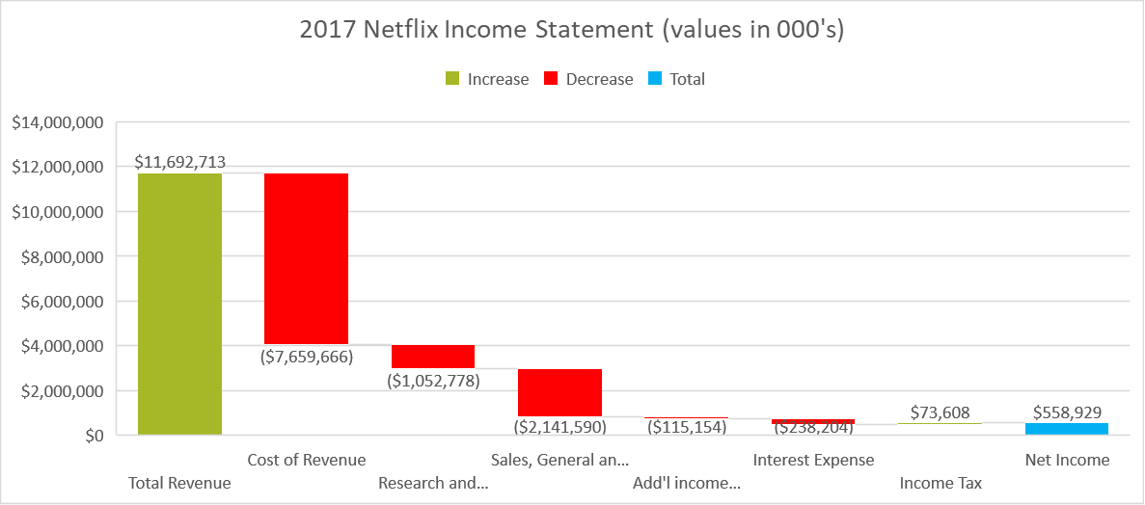

Are you skilled at the following: | Answer
Are you familiar with basic bar, column, line, and pie charts? |  | 0
What is chart type used in the chart in the top left? |  | 0
What is chart type used in the chart in the top right? |  | 0
What is chart type used in the chart in the bottom right? |  | 0

FORM CONTROLS
FORM CONTROLS ASSESSMENT
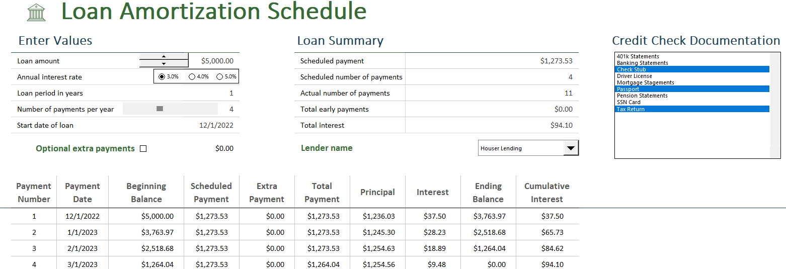

Are you skilled at the following: | Answer
Are you familiar with form controls? |  | 0
A circle list is a popular form control option. |  | 0
Do Form Controls primarily deal with changing font colors? |  | 0

OPTIMIZATION & WHAT IF ANALYSIS
OPTIMIZATION & WHAT IF ANALYSIS ASSESSMENT
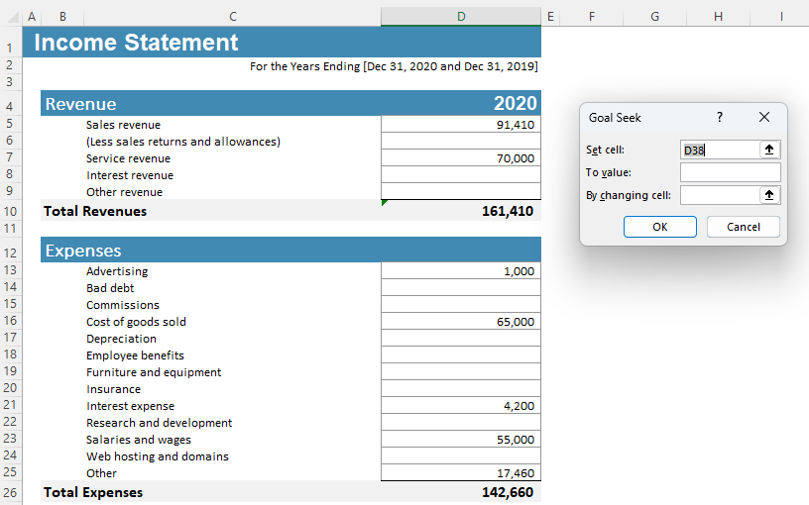
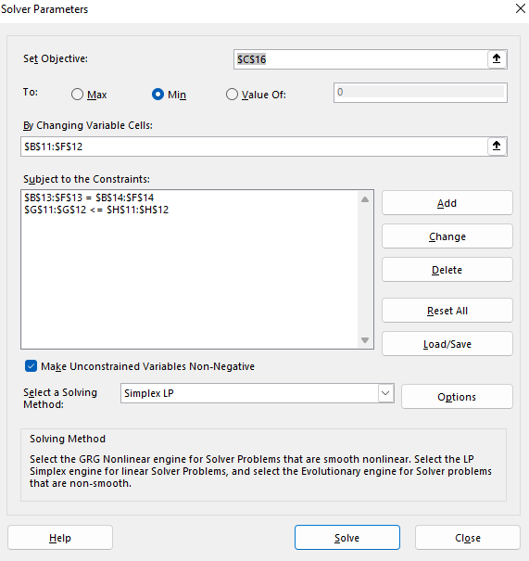

Are you skilled at the following: | Answer
Are you familiar with Goak Seek and Solver? |  | 0
How many constraints can you use with Goal Seek? |  | 0
Solver may not find the best soution, but it will always find a solution. |  | 0

RECORDING MACROS
RECORDING MACROS ASSESSMENT
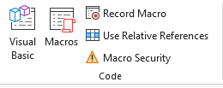
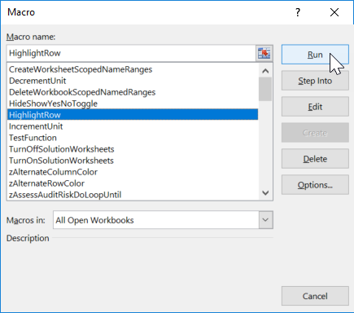
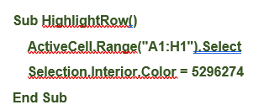

Are you skilled at the following: | Answer
Are you familiar with Recording Macros? |  | 0
Record Macros can record conditional decisions. |  | 0
Record Macros can record activities that require looping to go through multiple records. |  | 0
Recorded Macros produce good macro VBA code. |  | 0
Record Macros can work in absolute and relative reference modes. |  | 0
Which tab is the Macro button located in? |  | 0

